PAUL & SHARK
 |  |  |  |  |  |  |  |  |  |  |  | 678
IMAGE | SKU | BRAND | PRODUCT | GROUP | SEASON | GENDER | COLOR | COMPOSITION | MADE_IN_CODE | RETAIL PRICE | WHOLESALE | QTY | 5XL | 6XL | S | M | L | XL | XXL | XXXL | 4XL | 40 | 42 | 43 | 44 | 45 | 48 | 50 | 54
 | I18P1262_050 | Paul&Shark | BLOUSON | Clothing | FW | Man | BLUE | 100% WV|100%NY|100% LAMB LE|PADDING 100% PL|RABBIT FUR | IT | € 787.00 | € 281.00 | 39 |  |  | 2 | 6 | 14 | 10 |  | 1 | 6
 | I20P2019_408 | Paul&Shark | DOWN JACKET | Clothing | FW | Man | BLUE | 100% PL|100% NY 58% MA 42% AC|FUR | HR | € 888.00 | € 317.00 | 14 |  |  |  | 1 | 2 | 3 | 3 | 5
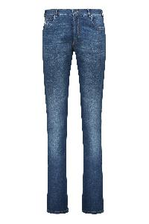 | P18P4225_013 | Paul&Shark | 5-pocket jeans | Clothing | SS | M | denim | 92% CO 6% ELASTIC FIBER 2% EA | RO | € 213.00 | € 76.00 | 8 |  |  |  |  |  |  |  |  |  |  |  |  |  |  | 5 | 3
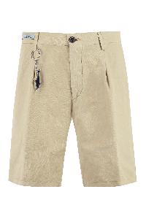 | 23414034_128 | Paul&Shark | Cotton and linen bermuda-shorts | Clothing | SS | Male | beige | 57%CO 43%LI | TR | € 229.00 | € 82.00 | 1 |  |  |  |  |  |  |  |  |  |  |  |  |  |  |  |  | 1
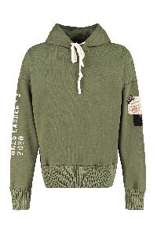 | A20P1505_957 | Paul&Shark | Cotton hoodie | Clothing | FW | Male | verde | 100%CO | IT | € 365.00 | € 135.00 | 1 |  |  | 1
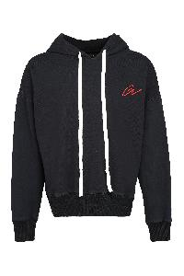 | A20P1528_011 | Paul&Shark | Cotton hoodie | Clothing | FW | Male | blu | 100%CO | PT | € 500.00 | € 185.00 | 1 |  |  | 1
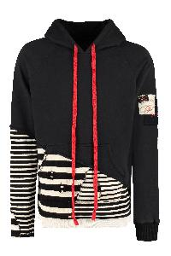 | A20P1507_011 | Paul&Shark | Cotton hoodie | Clothing | FW | Male | blu | 100%CO | IT | € 551.00 | € 204.00 | 2 |  |  |  | 1 | 1
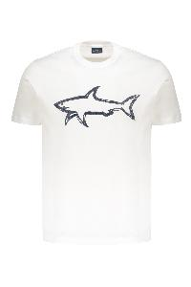 | 22411073_10 | Paul&Shark | Cotton T-shirt | Clothing | SS | M | bianco | 100% CO | TR | € 168.00 | € 60.00 | 1 |  |  |  |  |  | 1
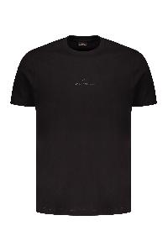 | C0P1240_11D | Paul&Shark | Cotton T-shirt | Clothing | SS | M | nero | 100% CO | TN | € 152.00 | € 54.00 | 1 |  |  |  |  |  |  | 1
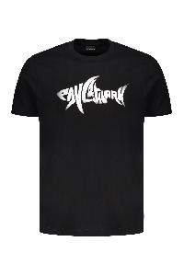 | 25411041_11 | Paul&Shark | Cotton T-shirt | Clothing | SS | M | nero | 100% CO | TN | € 152.00 | € 54.00 | 5 |  |  |  |  |  | 5
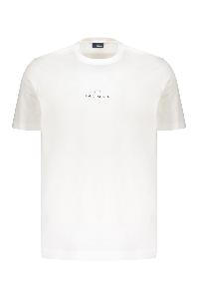 | C0P1240_10A | Paul&Shark | Cotton T-shirt | Clothing | SS | M | bianco | 100% CO | BG | € 152.00 | € 54.00 | 6 |  |  |  |  |  | 3 | 3
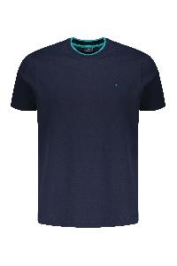 | 25411033_13 | Paul&Shark | Cotton T-shirt | Clothing | SS | M | blu | 100% CO | IT | € 146.00 | € 52.00 | 9 |  |  | 2 |  | 3 | 3 | 1
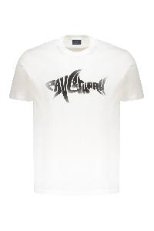 | 25411041_10 | Paul&Shark | Cotton T-shirt | Clothing | SS | M | bianco | 100% CO | TN | € 152.00 | € 54.00 | 11 |  |  |  |  | 2 | 5 | 4
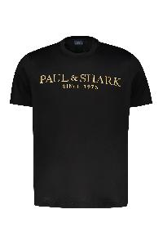 | 24411020_11 | Paul&Shark | Cotton T-shirt | Clothing | SS | M | nero | 100% CO | TN | € 160.00 | € 57.00 | 14 |  |  |  | 2 | 7 | 1 | 4
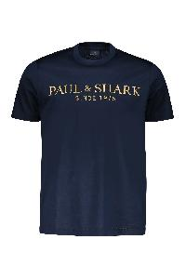 | 24411020_13 | Paul&Shark | Cotton T-shirt | Clothing | SS | M | blu | 100% CO | TN | € 160.00 | € 57.00 | 14 |  |  |  | 3 | 7 | 4
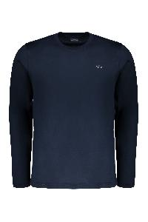 | C0P1093_13 | Paul&Shark | Cotton T-shirt | Clothing | SS | M | blu | 100% CO | TN | € 138.00 | € 49.00 | 14 |  |  | 2 | 3 |  | 6 | 3
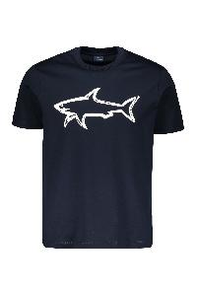 | 22411073_13 | Paul&Shark | Cotton T-shirt | Clothing | SS | M | blu | 100% CO | TN | € 168.00 | € 60.00 | 15 |  |  |  | 1 | 3 | 8 | 3
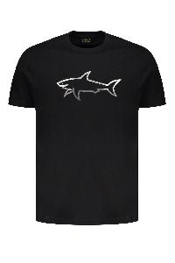 | 25411078_11 | Paul&Shark | Cotton T-shirt | Clothing | SS | M | nero | 100% CO | TN | € 174.00 | € 62.00 | 15 |  |  |  |  | 2 | 8 | 5
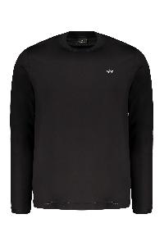 | C0P1093_11 | Paul&Shark | Cotton T-shirt | Clothing | SS | M | nero | 100% CO | HU | € 138.00 | € 49.00 | 16 |  |  | 2 | 3 | 2 | 7 | 2
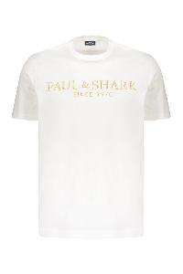 | 24411020_10 | Paul&Shark | Cotton T-shirt | Clothing | SS | M | bianco | 100% CO | BG | € 160.00 | € 57.00 | 17 |  |  |  | 3 | 8 | 4 | 2
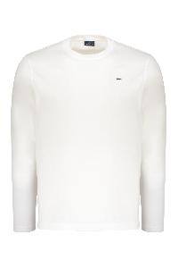 | C0P1093_10 | Paul&Shark | Cotton T-shirt | Clothing | SS | M | bianco | 100% CO | HU | € 138.00 | € 49.00 | 18 |  |  | 1 | 4 | 1 | 7 | 5
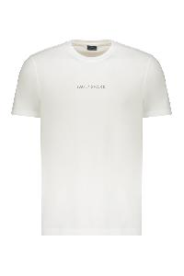 | 25411088_10 | Paul&Shark | Cotton T-shirt | Clothing | SS | M | bianco | 100% CO | TN | € 135.00 | € 47.00 | 20 |  |  |  | 2 | 3 | 9 | 6
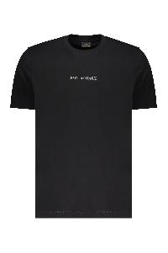 | 25411088_11 | Paul&Shark | Cotton T-shirt | Clothing | SS | M | nero | 100% CO | TN | € 135.00 | € 47.00 | 21 |  |  |  | 3 | 5 | 7 | 6
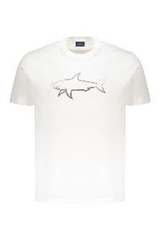 | 25411078_10 | Paul&Shark | Cotton T-shirt | Clothing | SS | M | bianco | 100% CO | IT | € 174.00 | € 62.00 | 34 |  |  |  |  | 10 | 15 | 9
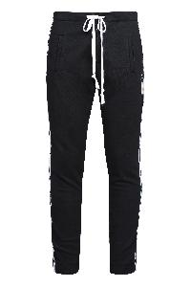 | A20P1522_011 | Paul&Shark | Drawstring waist track pants | Clothing | FW | Male | blu | 100%CO | PT | € 405.00 | € 150.00 | 4 |  |  | 1 | 1 | 1 | 1
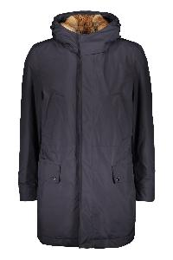 | I18P2038_050 | Paul&Shark | Hooded parka | Clothing | FW | M | blu | 100%PL | IT | € 2492.00 | € 890.00 | 1 |  |  |  |  | 1
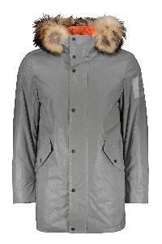 | I18P2093_300 | Paul&Shark | Hooded parka | Clothing | FW | M | grigio | 100%PL | IT | € 748.00 | € 267.00 | 6 |  |  |  | 3 | 2 |  | 1
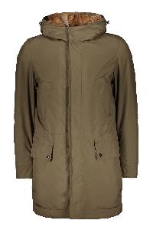 | I18P2038_044 | Paul&Shark | Hooded parka | Clothing | FW | M | kaki | 100% PL|100% PU|PADDING 100% PL|RABBIT FUR | IT | € 2492.00 | € 890.00 | 33 | 1 | 4 | 1 | 7 | 10 | 7 | 3
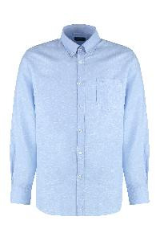 | 23413094_020 | Paul&Shark | Linen and cotton shirt | Clothing | SS | Male | azzurro | 52%CO 48%LI | IT | € 219.00 | € 79.00 | 4 |  |  |  |  |  |  |  |  |  |  |  | 4
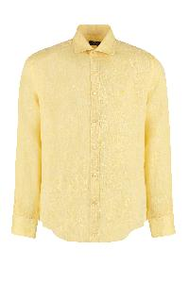 | 23413166J_137 | Paul&Shark | Linen shirt | Clothing | SS | Male | giallo | 100%LI | TN | € 263.00 | € 94.00 | 3 |  |  |  |  |  |  |  |  |  | 1 | 1 | 1
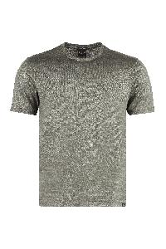 | 23411058_446 | Paul&Shark | Linen t-shirt | Clothing | SS | Male | verde | 100%LI | IT | € 222.00 | € 79.00 | 7 |  |  | 2 | 2 | 3
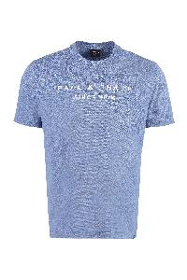 | 23411065_363 | Paul&Shark | Logo cotton t-shirt | Clothing | SS | Male | blu | 100%CO | HU | € 149.00 | € 54.00 | 1 |  |  |  |  |  | 1
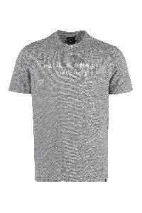 | 23411065_930 | Paul&Shark | Logo cotton t-shirt | Clothing | SS | Male | grigio | 100%CO | HU | € 149.00 | € 54.00 | 5 |  |  |  |  |  | 5
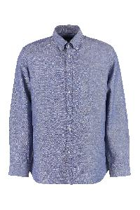 | 23413094_050 | Paul&Shark | Long sleeve cotton blend shirt | Clothing | SS | Male | blu | 52%CO 48%LI | TN | € 219.00 | € 79.00 | 8 |  |  |  |  |  |  |  |  |  |  | 2 | 6
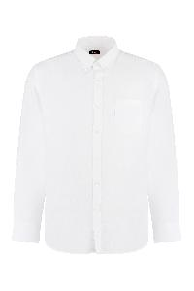 | 23413094_010 | Paul&Shark | Long sleeve cotton blend shirt | Clothing | SS | Male | bianco | 52%CO 48%LI | TN | € 219.00 | € 79.00 | 11 |  |  |  |  |  |  |  |  |  |  | 2 | 5 | 3 | 1
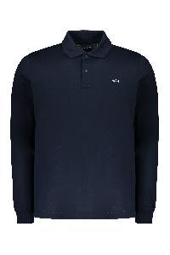 | C0P1229_13 | Paul&Shark | Long sleeve cotton polo shirt | Clothing | SS | M | blu | 100% CO | TN | € 152.00 | € 54.00 | 14 |  |  | 2 | 2 | 1 | 6 | 3
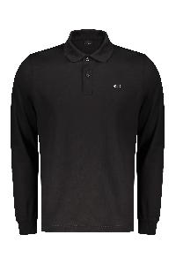 | C0P1229_11 | Paul&Shark | Long sleeve cotton polo shirt | Clothing | SS | M | nero | 100% CO | TN | € 150.00 | € 54.00 | 20 |  |  | 2 | 3 | 5 | 6 | 4
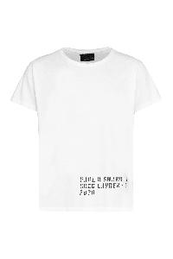 | A20P1504_010 | Paul&Shark | Printed cotton T-shirt | Clothing | FW | Male | bianco | 100%CO | IT | € 149.00 | € 55.00 | 2 |  |  | 2
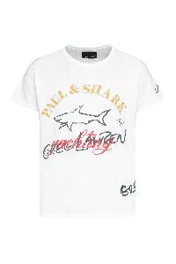 | A20P1524_010 | Paul&Shark | Printed cotton T-shirt | Clothing | FW | Male | bianco | 100%CO | IT | € 149.00 | € 55.00 | 3 |  |  |  | 3
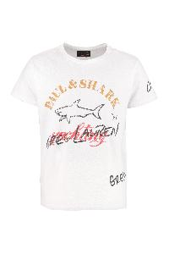 | E20P1466_White | Paul&Shark | Printed cotton t-shirt | Clothing | SS | Male | bianco | 100%CO | IT | € 150.00 | € 55.00 | 4 |  |  | 4
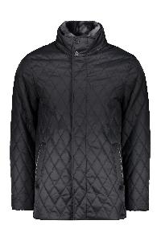 | I18P2170_050 | Paul&Shark | Quilted jacket | Clothing | FW | M | blu | 100%PA | RO | € 1059.00 | € 378.00 | 17 | 3 | 1 | 3 |  | 1 |  |  | 7 | 2
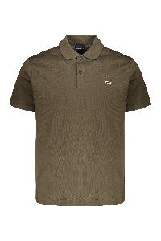 | C0P1238_132 | Paul&Shark | Short sleeve cotton polo shirt | Clothing | SS | M | verde | 100% CO | IT | € 138.00 | € 49.00 | 1 |  |  |  |  |  |  | 1
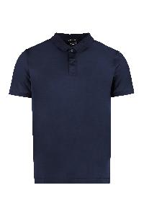 | 23411257_013 | Paul&Shark | Short sleeve cotton polo shirt | Clothing | SS | Male | blu | 100%CO | IT | € 188.00 | € 67.00 | 3 |  |  | 1 |  |  |  | 2
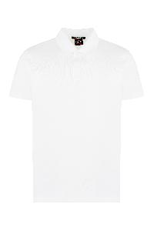 | 23411257_010 | Paul&Shark | Short sleeve cotton polo shirt | Clothing | SS | Male | avorio | 100%CO | TN | € 188.00 | € 67.00 | 6 |  |  | 1 |  |  | 2 | 3
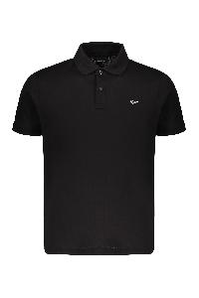 | C0P1238_11 | Paul&Shark | Short sleeve cotton polo shirt | Clothing | SS | M | nero | 100% CO | TN | € 138.00 | € 49.00 | 23 |  |  |  |  | 5 | 13 | 5
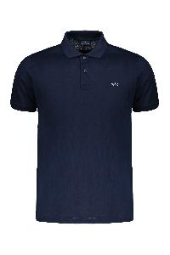 | C0P1238_13 | Paul&Shark | Short sleeve cotton polo shirt | Clothing | SS | M | blu | 100% CO | TN | € 138.00 | € 49.00 | 28 |  |  | 1 | 4 | 4 | 11 | 8
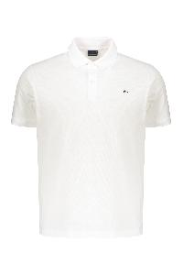 | C0P1238_10 | Paul&Shark | Short sleeve cotton polo shirt | Clothing | SS | M | bianco | 100% CO | TN | € 138.00 | € 49.00 | 34 |  |  | 1 | 1 | 7 | 17 | 8
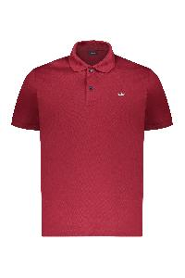 | C0P1238_142 | Paul&Shark | Short sleeve polo shirt | Clothing | SS | M | bordeaux | 100% CO | IT | € 140.00 | € 49.00 | 5 |  |  | 2 |  | 1 | 2
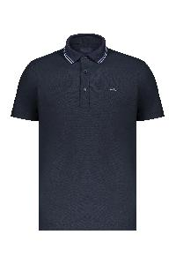 | 24411340_13 | Paul&Shark | Short sleeve polo shirt | Clothing | SS | M | blu | 100% PL | IT | € 185.00 | € 65.00 | 14 |  |  |  | 1 |  | 8 | 5
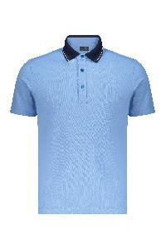 | 24411340_745 | Paul&Shark | Short sleeve polo shirt | Clothing | SS | M | azzurro | 100% PL | IT | € 182.00 | € 65.00 | 17 |  |  |  | 2 | 4 | 7 | 4
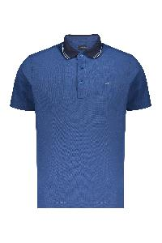 | 24411340_53 | Paul&Shark | Short sleeve polo shirt | Clothing | SS | M | blu | 100% PL | IT | € 185.00 | € 65.00 | 18 |  |  |  | 1 | 2 | 10 | 5
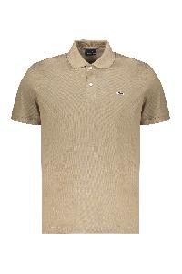 | C0P1238_128 | Paul&Shark | Short sleeve polo shirt | Clothing | SS | M | kaki | 100% CO | IT | € 140.00 | € 49.00 | 19 |  |  | 1 | 2 | 7 | 6 | 3
 | C0P1238_931 | Paul&Shark | Short sleeve polo shirt | Clothing | SS | M | grigio | 100% CO | IT | € 140.00 | € 49.00 | 19 |  |  | 2 | 4 | 6 | 3 | 4
 | 24411340_10 | Paul&Shark | Short sleeve polo shirt | Clothing | SS | M | bianco | 100% PL | IT | € 185.00 | € 65.00 | 20 |  |  |  |  | 5 | 10 | 5
 | I15P0825_051 | Paul&Shark | Single-breasted coat | Clothing | FW | M | nero | 50%WS 50% CHINCHILLA | IT | € 5710.00 | € 2039.00 | 12 |  |  |  | 2 | 6 | 3 | 1
 | 23413048J_001 | Paul&Shark | Striped cotton shirt | Clothing | SS | Male | azzurro | 100%CO | IT | € 188.00 | € 67.00 | 3 |  |  |  |  |  |  |  |  |  |  |  | 1 | 2
 | 23411022_144 | Paul&Shark | Striped linen-cotton blend T-shirt | Clothing | SS | Male | blu | 73%LI 27%CO | IT | € 229.00 | € 82.00 | 3 |  |  | 2 |  |  | 1
 | 23411022_143 | Paul&Shark | Striped linen-cotton blend T-shirt | Clothing | SS | Male | verde | 73%LI 27%CO | IT | € 229.00 | € 82.00 | 8 |  |  | 2 | 2 | 2 | 2
 | I20P2805_100 | Paul&Shark | Wool blend double-breasted coat | Clothing | FW | Male | nero | 72%WO 25%NY 3%WS | RO | € 1080.00 | € 400.00 | 3 |  |  |  | 1 | 1 | 1
 | 12311203_050 | Paul&Shark | Wool blend turtleneck sweater | Clothing | FW | Male | blu | 80%WO 20%FEATHER | HR | € 630.00 | € 225.00 | 1 |  |  |  | 1
 | I19P2120_209 | Paul&Shark | Zip and snap button fastening down jacket | Clothing | FW | M | kaki | 100%PL | IT | € 1034.00 | € 369.00 | 1 |  |  |  |  | 1

